Analysis Tool
LOS AND DATA ENTRY - Use this to enter what you know and for detailed or summary results presentation
Actual
SCENARIO:
Area Type:
MODE

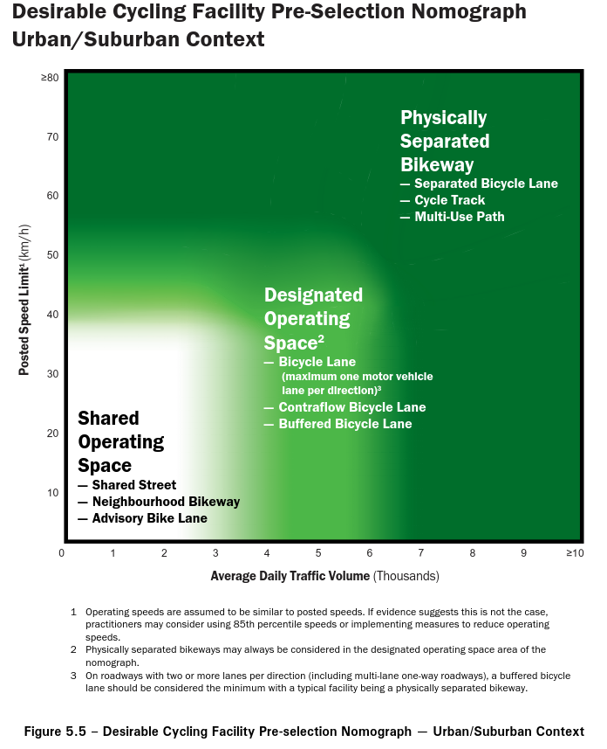
Type | SIGNALIZED INTERSECTIONS
Target (Custom if necessary)
Adjustment for Planning Direction | None | None | None | None | None
Reasons for adjustment (if applicable)
Adjustment for Strategic Policy | None | None | None | None | None
Reasons for adjustment (if applicable)
Actual
Active Transportation Design Check
Are marked pedestrian crossings provided to connect all approaching pedestrian facilities?
Does the approaching bike facility continue at a consistent width up to the edge of the intersection (crosswalk or curb edge of intersecting roadway)?
Is a continuous amount of space and accompanying pavement makings delineated for cyclists through the intersection?
Does the intersection design provide features which facilitate all the intended turn movements for cyclists (e.g. bike boxes, queuing space, protected intersection, etc)?
Have Accessibility for Ontarians with Disabilities Act (AODA) and municipal accessibility standards (if applicable) been considered?
MMLOS Evaluation
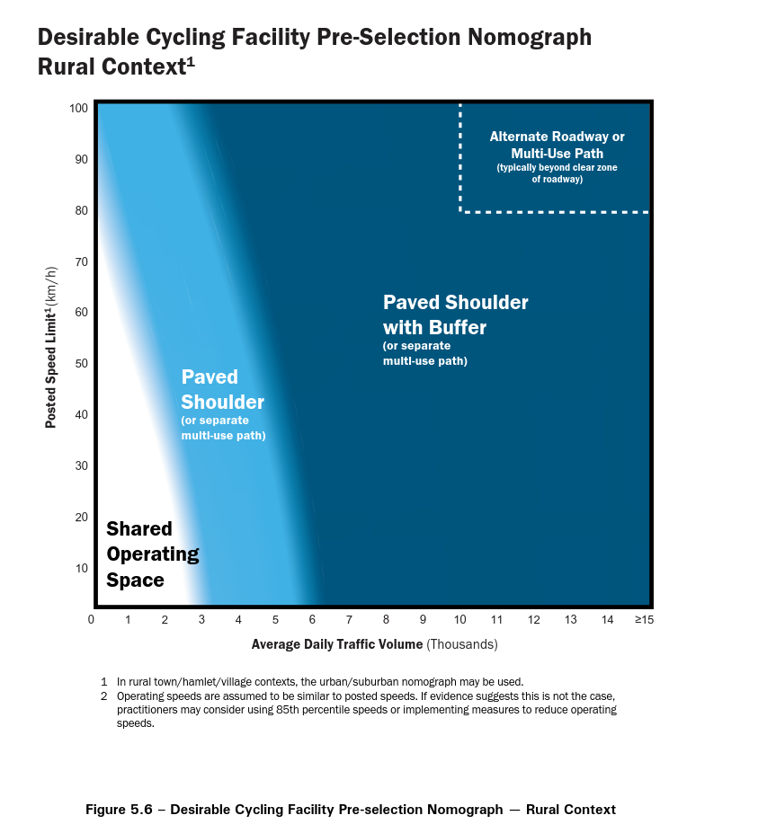
Measure 1 | Enhanced Pedestrian Measures | Enhanced Bicycle Facilities | Transit Priority Measures | Average Effective Turning Radius (m) | % of Movements with Dedicated Turn Lanes

Measure 2 | Average Effective Turning Radius (m) | Average Effective Turning Radius (m) | Transit Movement Delay (s) | Car Level of Service | Intersection Delay (s)

Measure 3 | Signal Cycle Length (s) | Signal Cycle Length (s) | Pedestrian Level of Service | - | -

Measure 4 | Number of Uncontrolled Conflicts (conflicts/approach) | Number of Uncontrolled Conflicts (conflicts/approach) | - | - | -

